Lesson1
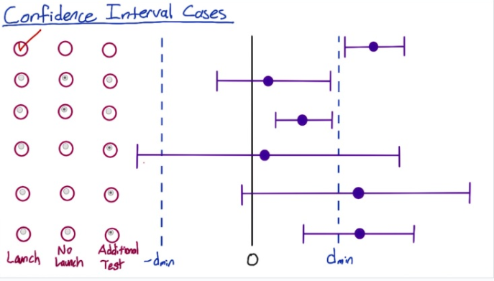
N*p^ > 5 to use normal
N*(1-p^) > 5 also
width of the CI is m, aka margin of error

Compute a 99% - two-tailed test
N | x | p^ | z-score | SE | m = z* SE | CI- | CI+
2000 | 300 | 0.15 | 2.58 | 0.007984359711 | 0.02059964806 | 0.1294003519 | 0.1705996481

Compute a 95% - two-tailed test
N | x | p^ | z-score | SE | m = z* SE | CI- | CI+
2000 | 300 | 0.15 | 1.96 | 0.007984359711 | 0.01564934503 | 0.134350655 | 0.165649345

Calculating number of page views
http://www.evanmiller.org/ab-testing/sample-size.html

Analyze Results
dmin | 0.02 | CI | 95% | z-score | 1.96
Ncont | Nexp | Xcont | Xexp | p^pool | Sepool | d^ | m | CI- | CI+
10072 | 9886 | 974 | 1242 | 0.1110331697 | 0.004447945884 | 0.02892847404 | 0.008717973932 | 0.02021050011 | 0.03764644797

Since the CI- is greater than dmin, there is at least 2% change and we should launch the change.

Confidence Interval Cases

